Project Portfolio Dashboard
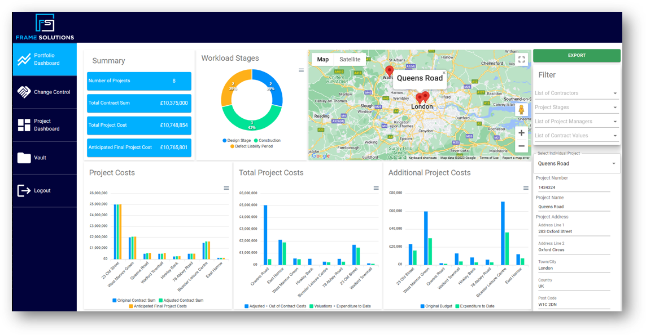 |  |  |  |  | We trust you'll find this Dashboard template beneficial. While Excel serves as a reliable tool for basic spreadsheet tasks, it unfortunately falls short in offering real-time visibility and collaboration features. ESTA, on the other hand, enhances your data management experience by allowing seamless data integration without the continuous need for information replication. Moreover, it enables you to assemble widgets for streamlined information display, from contract certification, programmes, actions etc. This automation saves days of work. We can display this information on your own branded portals for your clients grouping key information on all the projects they have with you. www.frame-solutions.com
 | PROJECT PORTFOLIO DASHBOARD TEMPLATE
 | DASHBOARD DATA

 | PROJECT NAME | TIMELINE |  |  |  | NUMBER OF TEAM MEMBERS | BUDGET |  |  | RISKS |  |  | OPEN |  | PENDING ACTIONS
 |  | CALENDAR | BEGIN | FINISH | # of DAYS |  | PROJECTED | ACTUAL | REMAINDER | HIGH | MEDIUM | LOW | ISSUES | REVISIONS
 | Project A | 2025-05-01 | 2025-05-05 | 2025-07-01 | 57 | 4 | £1,000,000.00 | £880,000.00 | £120,000.00 | 1 | 0 | 4 | 3 | 2 | 4 | **Enter data in the table beginning on Row 7 and all other charts will update
 | Project B | 2025-06-01 | 2025-05-10 | 2025-08-10 | 92 | 5 | £900,000.00 | £920,000.00 | -£20,000.00 | 2 | 3 | 5 | 1 | 2 | 3
 | Project C | 2025-07-01 | 2025-06-10 | 2026-03-01 | 264 | 10 | £860,000.00 | £850,000.00 | £10,000.00 | 3 | 4 | 3 | 2 | 1 | 2
 | Project D | 2025-08-01 | 2025-06-22 | 2025-08-04 | 43 | 5 | £1,000,000.00 | £998,050.00 | £1,950.00 | 5 | 8 | 1 | 1 | 0 | 0
 | Project E | 2025-09-01 | 2025-07-14 | 2025-11-01 | 110 | 10 | £294,000.00 | £280,000.00 | £14,000.00 | 8 | 6 | 4 | 0 | 3 | 1
 | Project F | 2025-10-01 | 2025-07-14 | 2026-01-20 | 190 | 5 | £123,400.00 | £125,000.00 | -£1,600.00 | 5 | 0 | 0 | 2 | 0 | 2
 | Project G | 2025-11-01 | 2025-08-01 | 2025-10-01 | 61 | 10 | £250,500.00 | £246,000.00 | £4,500.00 | 6 | 4 | 0 | 1 | 2 | 3
 | Project H | 2025-12-01 | 2025-08-14 | 2025-08-30 | 16 | 5 | £127,200.00 | £126,000.00 | £1,200.00 | 7 | 3 | 3 | 0 | 1 | 4
 | Project J | 2026-01-01 | 2025-09-01 | 2025-12-10 | 100 | 10 | £80,000.00 | £79,900.00 | £100.00 | 0 | 2 | 4 | 1 | 3 | 2
 | Project K | 2026-02-01 | 2025-10-01 | 2025-11-15 | 45 | 5 | £77,000.00 | £77,000.00 | £- | 4 | 4 | 5 | 2 | 0 | 0
 | Project L | 2026-03-01 | 2025-10-01 | 2025-12-01 | 61 | 10 | £65,000.00 | £65,000.00 | £- | 3 | 6 | 4 | 3 | 2 | 0
 | Project M | 2026-04-01 | 2025-11-01 | 2025-12-01 | 30 | 5 | £550,000.00 | £551,000.00 | -£1,000.00 | 2 | 3 | 6 | 0 | 1 | 1
 | Project N | 2026-05-01 | 2025-11-10 | 2025-12-10 | 30 | 10 | £45,000.00 | £42,000.00 | £3,000.00 | 1 | 1 | 7 | 1 | 0 | 2
 | Project P | 2026-06-01 | 2025-12-01 | 2026-02-10 | 71 | 5 | £32,500.00 | £33,000.00 | -£500.00 | 5 | 0 | 2 | 2 | 1 | 3
 |  |  |  |  |  |  | £5,404,600.00 | £5,272,950.00 | £131,650.00 | 52 | 44 | 48 | 19 | 18 | 27

 | DELIVERY TIMELINE & RESOURCES
Resource Allocation
Days per project

 | PROJECT FINANCIALS

 | RISK ANALYSIS

RISK TOTAL

 | OPEN & PENDING ACTIONS

Actions Total

 | PROJECT REPORT

 | PROJECT NAME | SCHEDULE | BUDGET | RESOURCES | RISKS | ISSUES | COMMENTS
 | Project A
 | Project B
 | Project C
 | Project D
 | Project E
 | Project F
 | Project G
 | Project H
 | Project J
 | Project K
 | Project L
 | Project M
 | Project N
 | Project P

 | Want to have all this automated? Click here to see ESTA in action!

